Sheet1
Company Name |  | Building Code Analysis Worksheet
 |  | CIRCLE FURNITURE
 |  | 2013-12-11 |  | 4016545 |  |  | WTG

CODES

Building Code |  | MA State Code - IBC-2009, INTERNATIONAL BUILDING CODE
Plumbing Code |  | MA State Code - IPC-2009, INTERNATIONAL PLUMBING CODE
Mechanical Code |  | MA State Code - IMC-2009, INTERNATIONAL MECHANICAL CODE
Electrical Code |  | MA State Code - NEC-2011, NATIONAL ELECTRICAL CODE
Life Saftey Code |  | MA State Code - NFPA 1 , UFC 2003
Fire Code |  | MA State Code - NFPA
Accessability Code |  | MA State Code CMR 521 - IBC 2006, ICC/ANSI A117.1-2003
Energy Code |  | ASHRE 90.1 - IECC-9009, INTERNATIONAL ENERGY CONSERVATION CODE
Elevator Code |  | ASME A17.1
Gas Code
Boiler Code

http://www.iccsafe.org/gr/Pages/adoptions.aspx
http://www.reedconstructiondata.com/building-codes/

BUILDING DESIGN DATA

Building Footprint |  | 17,400 sq ft
Building Height |  | 30 ft
Construction Type |  | 2B
Use Groups |  | M - Mercantile, B - Buisness, S-1 - Storgae,
Occupant Load |  | 512
Sprinkler System |  | Yes
Maximum Travel Distance |  | 250 ft
Number of Exits Required |  | SEE TENANT WORKSHEETS

CIVIL DESIGN DATA

Zoning Classification |  | TBD
Setbacks |  | TBD
Height Restrictions |  | TBD
Parking Requirements |  | TBD
Sign Regulations |  | TBD

USE GROUPS
304.1 | Buisness | Business Group B. Business Group B occupancy includes, among others, the use of a building or structure, or a portion thereof, for office, professional or service-type transactions, including storage of records and accounts.
309.1 | Mercantile | Mercantile Group M. Mercantile Group M occupancy includes, among others, the use of a building or structure or a portion thereof, for the display and sale of merchandise and involves stocks of goods, wares or merchandise incidental to such purposes and accessible to the public
311.2 | Storage S-1 | Moderate-hazard storage, Group S-1. Buildings
 |  | occupied for storage uses that are not classified as Group S-2

USE GROUPS |  |  |  |  | M, S-1,B

CONSTRUCTION TYPE
602.1.1 | Min Requirements | Minimum requirements. A building or portion thereof shall not be required to conform to the details of a type of construction higher than that type which meets the minimum requirements based on occupancy even though certain features of such a building actually conform to a higher type of construction.
602.2 | Types I and II. | Types I and II construction are those types of construction in which the building elements listed in Table 601 are of noncombustible materials, except as permitted in Section 603 and elsewhere in this code.
602.3 | Type III. | Type III construction is that type of construction in which the exterior walls are of noncombustible materials and the interior building elements are of any material permitted by this code. Fire-retardant-treated wood framing complying with Section 2303.2 shall be permitted within exterior wall assemblies of a 2-hour rating or less
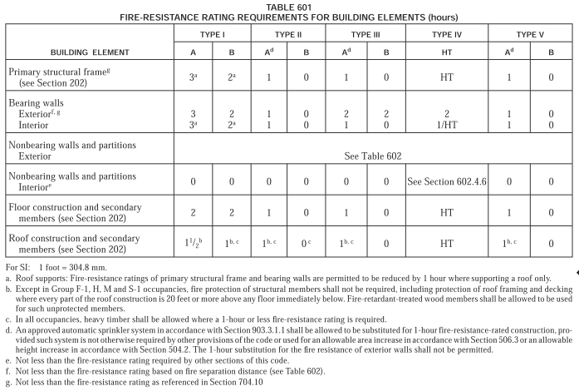

CONSTRUCTION TYPE |  |  |  |  | 2B

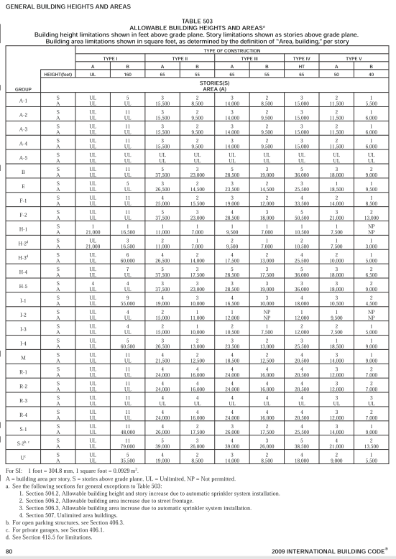

BUILDING AREA MODIFICATIONS

 | Area Table 503 | 12,500 |  | Sq Ft

506.2 | Frontage increase | Every building shall adjoin or have access to a public way to receive a building area increase for frontage. Where a building has more than 25 percent of its perimeter on a public way or open space having a minimum width of 20 feet (6096 mm),

 | Building Perimeter | 548 |  | ft | Percent Increase | 0.75 | %
 | Frontage | 548 |  | ft | Area Increase | 9,375 | Sq Ft

506.2 | sprinkler system | Where a building is equipped throughout with an approved automatic sprinkler system in accordance with Section 903.3.1.1, the building area limitation in Table 503 is permitted to be increased by an additional 200 percent (I s = 2) for buildings with more than one story above grade plane and an additional 300 percent (I s = 3) for buildings with no more than one story above grade plane. These increases are permitted in addition to the height and story increases in accordance with Section 504.2

 | Sprinkler System | 3 |  | 3 for 1 story, 2 for multi story, 0 no system
 | Area Increase | 37,500 |  | Sq Ft

TOTAL AREA ALLOWED |  |  |  |  | 59,375 |  | Sq Ft

UNLIMITED AREA BUILDINGS

507.3 | Sprinklered, one story. | The area of a Group B, F, M or S building no more than one story above grade plane, or a Group A-4 building no more than one story above grade plane of other than Type V construction, shall not be limited when the building is provided with an automatic sprinkler system throughout in accordance with Section 903.3.1.1 and is surrounded and adjoined by public ways or yards not less than 60 feet (18 288mm) in width
507.3.1 | Mixed occupancy | Group A-1 and A-2 occupancies of other than Type V construction shall be permitted within mixed occupancy buildings of unlimited area complying with Section 507.3, provided
 |  |  | 1. Group A-1 and A-2 occupancies are separated from other occupancies as required for separated occupancies in Section 508.4.4 with no reduction allowed in the fire-resistance rating of the separation based upon the installation of an automatic sprinkler system;
 |  |  | 2. Each area of the portions of the building used for Group A-1 or A-2 occupancies shall not exceed the maximum allowable area permitted for such occupancies in Section 503.1; and
 |  |  | 3. All exit doors from Group A-1 and A-2 occupancies shall discharge directly to the exterior of the building
507.4 | Two story. | The area of a Group B, F, M or S building no more than two stories above grade plane shall not be limited when the building is equipped throughout with an automatic sprinkler system in accordance with Section 903.3.1.1, and is surrounded and adjoined by public ways or yards not less than 60 feet (18 288 mm) in width.

IS UNLIMITED AREA ALLOWED |  |  |  |  | YES

FIRE SEPARATIONS

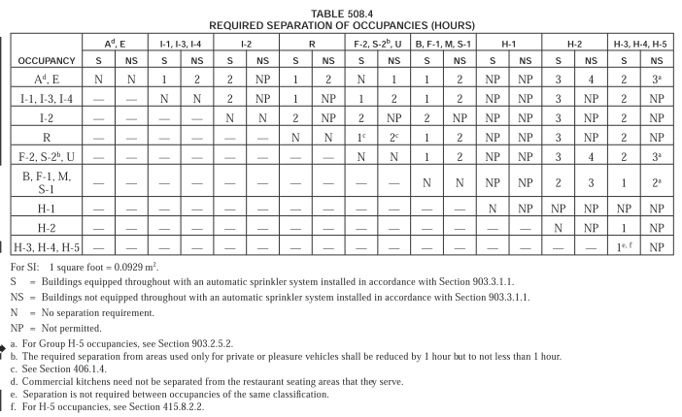
507.3 | Sprinklered, one story. | The area of a Group B, F, M or S building no more than one story above grade plane, or a Group A-4 building no more than one story above grade plane of other than Type V construction, shall not be limited when the building is provided with an automatic sprinkler system throughout in accordance with Section 903.3.1.1 and is surrounded and adjoined by public ways or yards not less than 60 feet (18 288mm) in width

OCCUPANCY SEPARATION WALLS |  |  |  |  | 0 HOURS

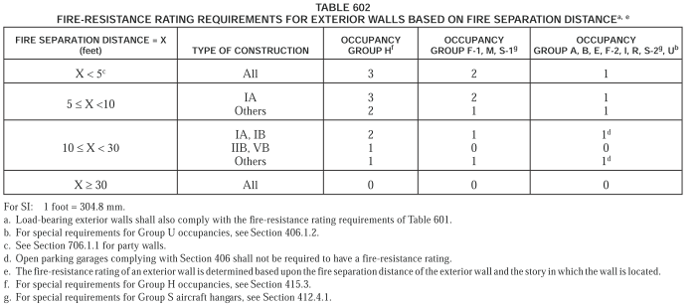

FIRE SEPARATION EXTERIOR WALLS |  |  |  |  | 0 HOURS / 30 FT

402 | COVERED MALL AND OPEN MALL BUILDINGS
402.7.2 | Tenant Separations | Each tenant space shall be separated from other tenant spaces by a fire partition complying with Section 709. A tenant separation wall is not required between any tenant space and the mall.
709.1 | Fire Partitions | General. The following wall assemblies shall comply with this section. 1. Walls separating dwelling units in the same building as required by Section 420.2. 2. Walls separating sleeping units in the same building as required by Section 420.2. 3. Walls separating tenant spaces in covered mall buildings as required by Section 402.7. 4. Corridor walls as required by Section 1018.1. 5. Elevator lobby separation as required by Section 708.14.1.
709.3 | Fire Rating | Fire partitions shall have a fire-resistance rating of not less than 1 hour.

TENANT DEMISING WALLS |  |  |  |  | 1 HOUR

707.3.1 | Shaft Enclosures | The fire-resistance rating of the fire barrier separating building areas from a shaft shall comply with Section 708.4.
708.4 | Fire Rating | Shaft enclosures shall have a fire-resistance rating of not less than 2 hours where connecting four stories or more, and not less than 1 hour where connecting less than four stories. The number of stories connected by the shaft enclosure shall include any basements but not any mezzanines. Shaft enclosures shall have a fire-resistance rating not less than the floor assembly penetrated, but need not exceed 2 hours. Shaft enclosures shall meet the requirements of Section 703.2.1.
707.3.3 | Exit Enclosures | The fire-resistance rating of the fire barrier separating building areas from an exit passage- way shall comply with Section 1023.3.
1023.3 | Enclosures Required | Exit passageway enclosures shall have walls, floors and ceilings of not less than 1-hour fire-resistance rating, and not less than that required for any connecting exit enclosure. Exit passageways shall be constructed as fire barriers in accordance with Section 707 or horizontal assemblies constructed in accordance with Section 712, or bot

EXIT PASSAGEWAYS |  |  |  |  | 1 HOUR

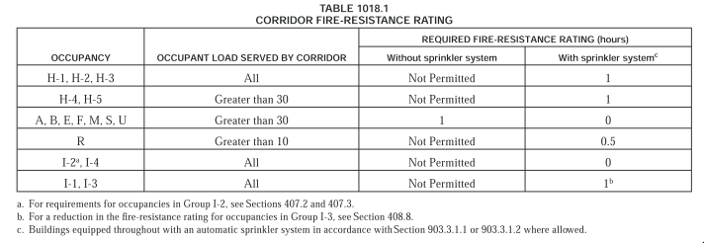

CORRIDOR WALLS |  |  |  |  | 0 HOUR

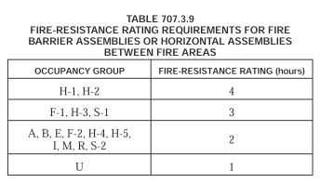

FIRE WALLS |  |  |  |  | 2 HOUR

710.3 | Smoke Barriers | Fire-resistance rating. A 1-hour fire-resistance rating is required for smoke barriers.

SMOKE BARRIERS WALLS |  |  |  |  | 1 HOUR

711.3 | Smoke Partitions | Fire-resistance rating. Unless required elsewhere in the code, smoke partitions are not required to have a fire-resistance rating.

SMOKE PARTITIONS |  |  |  |  | 1 HOUR

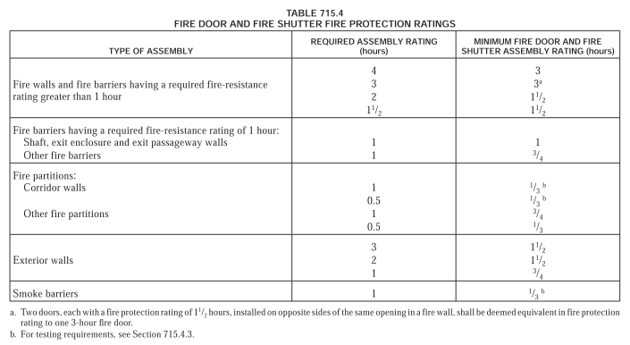

FINISHES
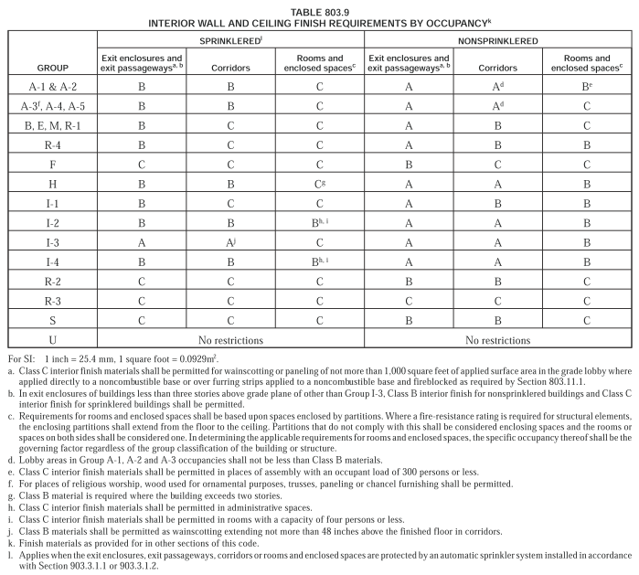

FINISHES REQUIRED |  |  |  |  | CLASS C

SPRINKLER SYSTEM
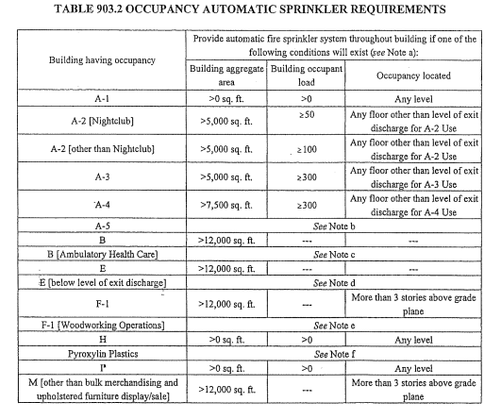

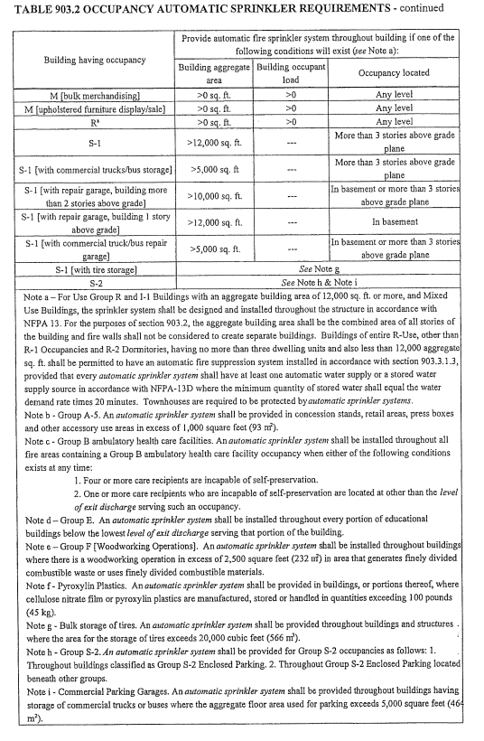

SPRINKLER SYSTEM REQUIRED |  |  |  |  | YES

GENERAL MEANS OF EGRESS

1003.2 | Ceiling Height | The means of egress shall have a ceiling height of not less than 7 feet 6 inches (2286 mm)
1003.3.1 | Headroom | Protruding objects are permitted to extend below the minimum ceiling height required by Section 1003.2 provided a minimum headroom of 80 inches shall be provided for any walking surface, including walks, corridors, aisles and passageways. Not more than 50 percent of the ceiling area of a means of egress shall be reduced in height by protruding objects. Exception: Door closers and stops shall not reduce headroom to less than 78 inches

OCCUPANT CRITERIA
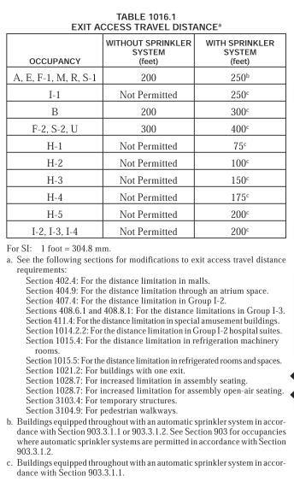
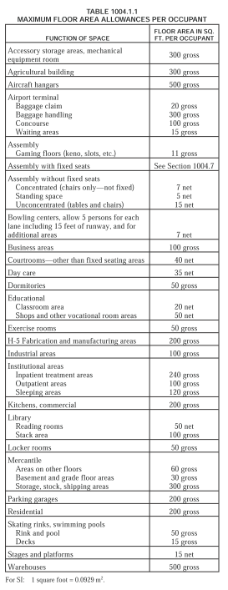

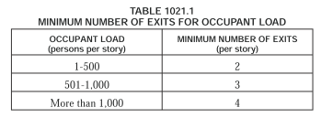

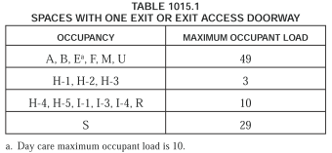

OCCUPANT LOAD TENANT - A CIRCLE FURNITURE
TENANT -A (Merchantile)
MAXIMUM TRAVEL DISTANCE |  |  |  |  | 250 FEET

 | Sales Area | 10,000 |  | Sq Ft |  | 333
 | Office Area | 1,000 |  | Sq Ft |  | 10
 | Stockroom | 500 |  | Sq Ft |  | 2
 | Utility | 500 |  | Sq Ft |  | 2
 | Total Area | 12,000 |  | Sq Ft | Total Occupants | 347

EXITS REQUIRED |  |  |  |  | 2

1005.1 | Egress Width | The means of egress width shall not be less than required by this section. The total width of means of egress in inches (mm) shall not be less than the total occupant load served by the means of egress multiplied by 0.3 inches (7.62 mm) per occupant for stairways and by 0.2 inches (5.08 mm) per occupant for other egress components. The width shall not be less than specified elsewhere in this code. Multiple means of egress shall be sized such that the loss of any one means of egress shall not reduce the available capacity to less than 50 percent of the required capacity. The maximum capacity required from any story of a building shall be maintained to the termination of the means of egress.

 | Width Required | 52 |  | Inches

 | Max entry egress | 26 |  | Inches | egress doors | 26

EXIT WIDTH REQUIRED |  |  |  |  | 52 |  | inches

 | Exit Door #1 | 36 |  | Inches
 | Exit Door #2 | 36 |  | Inches
 | Exit Door #3 | 0 |  | Inches
 | Total Width Provided | 72 |  | Inches

 | Width per Occupant | 0.21 |  | Inches

EXITS PROVIDED |  |  |  |  | 2

EXIT WIDTH PROVIDED |  |  |  |  | 72 |  | inches

OCCUPANT WIDTH PROVIDED |  |  |  |  | 0.21 |  | inches

OCCUPANT LOAD TENANT - C FUTURE BANK
TENANT - C (Office)
MAXIMUM TRAVEL DISTANCE |  |  |  |  | 300 FEET

 | Waiting Area / LOBBY | 2,000 |  | Sq Ft |  | 133
 | Office Area | 3,100 |  | Sq Ft |  | 31
 | Storage | 250 |  | Sq Ft |  | 1
 | Utility | 50 |  | Sq Ft |  | 0
 | Total Area | 5,400 |  | Sq Ft | Total Occupants | 165

EXITS REQUIRED |  |  |  |  | 2

1005.1 | Egress Width | The means of egress width shall not be less than required by this section. The total width of means of egress in inches (mm) shall not be less than the total occupant load served by the means of egress multiplied by 0.3 inches (7.62 mm) per occupant for stairways and by 0.2 inches (5.08 mm) per occupant for other egress components. The width shall not be less than specified elsewhere in this code. Multiple means of egress shall be sized such that the loss of any one means of egress shall not reduce the available capacity to less than 50 percent of the required capacity. The maximum capacity required from any story of a building shall be maintained to the termination of the means of egress.

 | Width Required | 25 |  | Inches

 | Max entry egress | 12 |  | Inches | egress doors | 12

EXIT WIDTH REQUIRED |  |  |  |  | 25 |  | inches

 | Exit Door #1 | 36 |  | Inches
 | Exit Door #2 | 36 |  | Inches
 | Exit Door #3 | 0 |  | Inches
 | Total Width Provided | 72 |  | Inches

 | Width per Occupant | 0.44 |  | Inches

EXITS PROVIDED |  |  |  |  | 2

EXIT WIDTH PROVIDED |  |  |  |  | 72 |  | inches

OCCUPANT WIDTH PROVIDED |  |  |  |  | 1.85 |  | inches

COPY FOR EACH TENANT
EGRESS ARRANGEMENT

1005.2 | Door Encroachment | Doors, when fully opened, and handrails shall not reduce the required means of egress width by more than 7 inches. Doors in any position shall not reduce the required width by more than one-half. Other nonstructural projections such as trim and similar decorative features shall be permitted to project into the required width a maximum of 1 1 / 2 inches on each side.

1007.1 | Accessible Egress | Accessible means of egress shall comply with this section. Accessible spaces shall be provided with not less than one accessible means of egress. Where more than one means of egress are required by Section 1015.1 or 1021.1 from any accessible space, each accessible portion of the space shall be served by not less than two accessible means of egress.

ACCESSIBLE EXITS REQUIRED |  |  |  |  | 2

1007.3 | Stairways | In order to be considered part of an accessible means of egress, an exit access stairway as permitted by Section 1016.1 or exit stairway shall have a clear width of 48 inches minimum between handrails and shall either incorporate an area of refuge within an enlarged floor-level landing or shall be accessed from either an area of refuge complying with Section 1007.6 or a horizontal exit. Exceptions: 1. The area of refuge is not required at open exit access or exit stairways as permitted by Sections 1016.1 and 1022.1 in buildings that are equipped throughout with an automatic sprinkler system installed in accordance with Section 903.3.1.1 or 903.3.1.2. 2. The clear width of 48 inches (1219 mm) between handrails is not required at exit access stairway as permitted by Section 1016.1or exit stairways in buildings equipped throughout with an automatic sprinkler system installed in accordance with Section 903.3.1.1 or 903.3.1.2. 3. Areas of refuge are not required at exit stairways in buildings equipped throughout with an automatic sprinkler system installed in accordance with Section 903.3.1.1 or 903.3.1.2. 4. The clear width of 48 inches (1219 mm) between handrails is not required for exit stairways accessed from a horizontal exit. 5. Areas of refuge are not required at exit stairways serving open parking garages. 6. Areas of refuge are not required for smoke protected seating areas complying with Section 1028.6.2. 7. The areas of refuge are not required in Group R-2 occupancies.

1008.1.8 | Door Arrangement | Space between two doors in a series shall be 48 inches (1219 mm) minimum plus the width of a door swinging into the space. Doors in a series shall swing either in the same direction or away from the space between the doors. Exceptions: 1. The minimum distance between horizontal sliding power-operated doors in a series shall be 48 inches (1219 mm). 2. Storm and screen doors serving individual dwelling units in Groups R-2 and R-3 need not be spaced 48 inches (1219 mm) from the other door. 3. Doors within individual dwelling units in Groups R-2 and R-3 other than within Type A dwelling units.

1014.2 | Egress through Adjoining Spaces | 1. Egress from a room or space shall not pass through adjoining or intervening rooms or areas, except where such adjoining rooms or areas and the area served are accessory to one or the other, are not a Group H occupancy and provide a discernible path of egress travel to an exit. Exception: Means of egress are not prohibited through adjoining or intervening rooms or spaces in a Group H, S or F occupancy when the adjoining or intervening rooms or spaces are the same or a lesser hazard occupancy group. 2. An exit access shall not pass through a room that can be locked to prevent egress. 3. Means of egress from dwelling units or sleeping areas shall not lead through other sleeping areas, toilet rooms or bathrooms. 4. Egress shall not pass through kitchens, storage rooms, closets or spaces used for similar purposes. Exceptions: 1. Means of egress are not prohibited through a kitchen area serving adjoining rooms constituting part of the same dwelling unit or sleeping unit. 2. Means of egress are not prohibited through stockrooms in Group M occupancies when all of the following are met: 2.1. The stock is of the same hazard classification as that found in the main retail area; 2.2. Not more than 50 percent of the exit access is through the stockroom; 2.3. The stockroom is not subject to locking from the egress side; and 2.4. There is a demarcated, minimum 44-inch-wide (1118 mm) aisle defined by full- or partial-height fixed walls or similar construction that will maintain the required width and lead directly from the retail area to the exit without obstructions.
1015.2.1 | Exit Arrangement | Where two exits or exit access doorways are required from any portion of the exit access, the exit doors or exit access doorways shall be placed a distance apart equal to not less than one-half of the length of the maximum overall diagonal dimension of the building or area to be served measured in a straight line between exit doors or exit access doorways. Interlocking or scissor stairs shall be counted as one exit stairway. Exceptions: 1. Where exit enclosures are provided as a portion of the required exit and are interconnected by a 1-hour fire-resistance-rated corridor conforming to the requirements of Section 1018, the required exit separation shall be measured along the short- est direct line of travel within the corridor. 2. Where a building is equipped throughout with an automatic sprinkler system in accordance with Section 903.3.1.1 or 903.3.1.2, the separation distance of the exit doors or exit access doorways shall not be less than one-third of the length of the maximum overall diagonal dimension of the area served.

1015.2.2 | Three or More Exits | Where access to three or more exits is required, at least two exit doors or exit access doorways shall be arranged in accordance with the provisions of Section 1015.2.1.
1018.4 | Dead Ends | Where more than one exit or exit access doorway is required, the exit access shall be arranged such that there are no dead ends in corridors more than 20 feet (6096 mm) in length. Exceptions: 1. In occupancies in Group I-3 of Occupancy Condition 2, 3 or 4 (see Section 308.4), the dead end in a corridor shall not exceed 50 feet (15 240 mm). 2. In occupancies in Groups B, E, F, I-1, M, R-1, R-2, R-4, S and U, where the building is equipped throughout with an automatic sprinkler system in accordance with Section 903.3.1.1, the length of the dead-end corridors shall not exceed 50 feet (15 240mm). 3. A dead-end corridor shall not be limited in length where the length of the dead-end corridor is less than 2.5 times the least width of the dead-end corridor.

